2016_Data
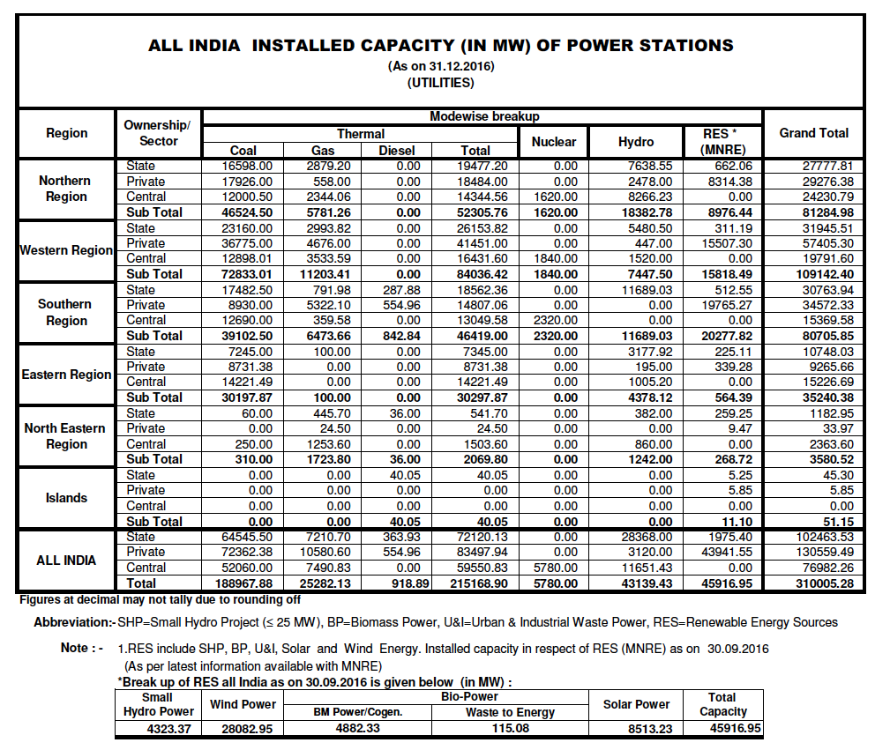
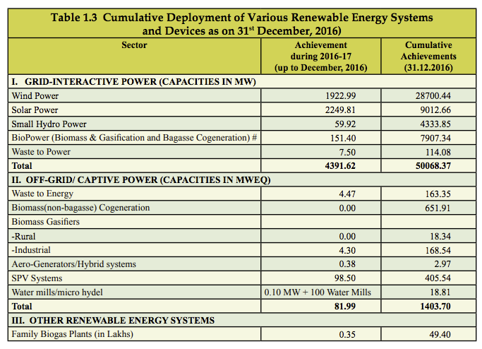

 | https://mnre.gov.in/file-manager/annual-report/2016-2017/EN/pdf/1.pdf

http://www.cea.nic.in/reports/monthly/executivesummary/2016/exe_summary-12.pdf

